改善かんばん(english ver)
Production Dept
05 Mar 2024
M.Yamamori
Production Dept
04 Mar 2024
N.X.Tuấn
Production Dept
01 Mar 2024
N.H.Đăng
 | DEPARTMENT |  | HOLON |  |  |  |  |  |  |  |  |  |  |  |  | Approve | Confirm | Create
DEPARTMENT ID | A00679 |  | N08
 |  |  | N08

IMPROVEMENT PROPOSAL |  |  |  |  |  | DEPARTMENT |  |  | FACTORY NAME |  |  | Register No.
 |  |  | Process/Line |  |  | Deformation Aluminum Extrusion |  |  | SMC VietNam

MODEL |  |  | PIC of Improvement |  |  | Improvement Issue
 |  |  | NGUYỄN HẢI ĐĂNG |  |  | Equipment | JIG | Work | Facility | Systems | Layout | Quality | Price | Energy Saving | Others

PROCESS |  |  | COST DOWN THE ELECTRICITY CONSUMPTION OF AGING FURNACE
SUBJECT |  |  | Cost down

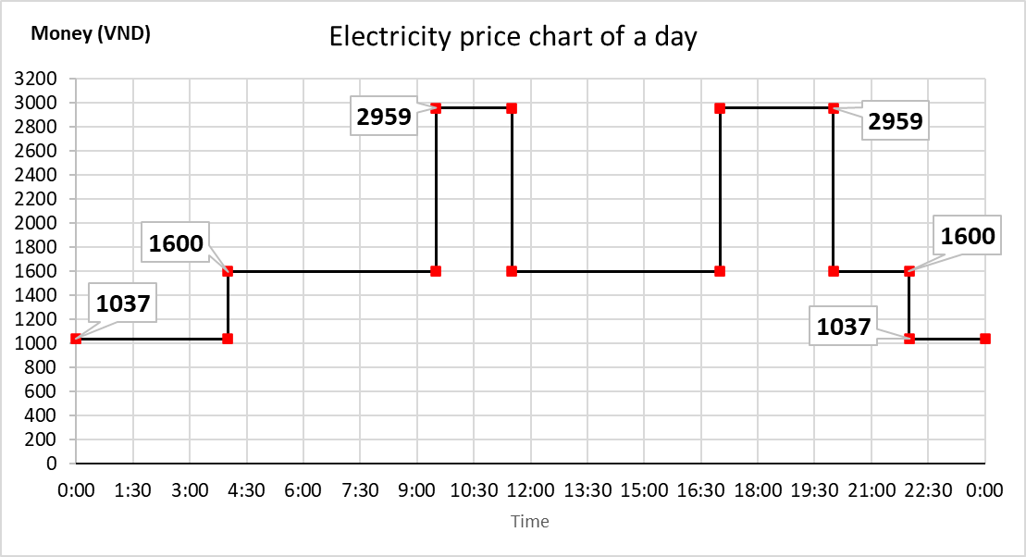
Improvement Description
 |  | The Aging Furnace using for heat treatment , improve the hardness and mechanical properties
 |  | of aluminum extrusion products.
 |  | Because of long heating time and high temperature , 2 aging furnace consumed a lot of electricity energy.
 |  | It take 5 hours for T5 process and 10 hours for T6 process of Heating.
 |  | Therefore, we propose a solution to reduce electricity consumption to reduce costs.

 |  | Method : We will operate aging furnace in the time with the lowest electricity consumption price.

Before Improvement

 |  | Initially, The aging process for both of furnace were executed in the administrative shift (7h45 to 16h30), and the heating also finished at 2 am of the next day.
 |  | And in these time, the price of electricity cosmumption are very high (1600 VND to 2959 VND).
 |  | We calculated and estimated the diffenrent of price in 5 case of Aging in a working day.
 |  | Data are summarized in the below table :

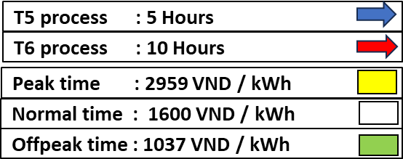
After Improvement

 |  | We will operate both of aging furnace in the appropriate time to reduce the price of electricity consumption.
 |  | The Average power consumption of Aging furnace are estimate depend on data of 2022 and 2023.
 |  | Data are summarized in the below table :

1
2
3
4
5

 |  | Average cost before Improvement = 1,046,754(kVND) ÷ 2012(tons) = 520.25546 kVND/ton
 |  | Average cost after Improvement = 743,063(kVND) ÷ 2012(tons) = 369.3161 kVND/ton
 |  | Estimate the cost down in 2024 = 303,691(kVND) ÷ 2012(tons) = 150.93936 kVND/ton
 |  | Total cost down in 2024 : 303,691 kVND
SCHEDULES | Schedule |  |  | RESULT | 項目 |  | Plan |  |  | Execution
 | Calculate :12/2023
 | Testing: 01/2024
 | Implement:3/2024 |  |  |  |  |  |  |  |  |  | →

STATUS | COMPLETE |  |  |  | Implementation |  | PASS ・ FAIL |  |  | Date |  | 2024/03

Functional division |  |  | 組立 |  |  |  |  | 詳細手法 |  |  |  |  |  |  | 等級
Budget registration No. |  |  |  |  |  |  |  | *（製造技術）設備予算の場合は記載

賃率記号 | 12 |  | 賃率表より、記号入力ねがいます。
賃率 円/H | #VALUE!

Trend
Electricity price chart of a day
0:00:00 | 1037
4:00:00 | 1037
4:00:00 | 1600
9:30:00 | 1600
9:30:00 | 2959 | Φ
11:30:00 | 2959
11:30:00 | 1600
17:00:00 | 1600
17:00:00 | 2959
20:00:00 | 2959
20:00:00 | 1600
22:00:00 | 1600
22:00:00 | 1037
1900-01-01 00:00:00 | 1037

Time line of Heating Case
17:00
20:00
TIME |  |  | OVERTIME 1 |  |  | WORKING TIME |  |  |  |  |  |  |  |  | OVERTIME 2 |  | NON-WORKING TIME
 |  | 6:00:00 |  | 7:00:00 | 8:00:00 |  | 9:00:00 | 10:00:00 | 11:00:00 | 12:00:00 | 13:00:00 | 14:00:00 | 15:00:00 | 16:00:00 |  | 18:00:00 | 19:00:00 | 21:00:00 | 22:00:00 | 23:00:00 | 1900-01-01 00:00:00 | 1900-01-01 01:00:00 | 1900-01-01 02:00:00 | 1900-01-01 03:00:00 | 1900-01-01 04:00:00 | 1900-01-01 05:00:00 | 1900-01-01 06:00:00 | 1900-01-01 07:00:00

BEFORE | CASE 1
 | CASE 2
 | CASE 3
 | CASE 4
 | CASE 5

AFTER | CASE 1
 | CASE 2
 | CASE 3
 | CASE 4
 | CASE 5
Peak time : 2959 VND / kWh
T5 process : 5 Hours
T6 process : 10 Hours
Normal time : 1600 VND / kWh
Offpeak time : 1037 VND / kWh

Data
 |  | ESTIMATE THE POWER CONSUMED AND PRICE FOR 1 AGING FURNACE ( TOTALY 2 AGING FURNACE )
 |  | Average power consumption (kW/h) | Total Heating time / day | Offpeak time Unit price = 1037(VND/kWh) |  |  | Normal time Unit price = 1600(VND/kWh) |  |  | Peak Time Unit price = 2959 (VND/kWh) |  |  | Total of power consumed | Total price kVND/Day (11)=(4)+(6)+(10) | TOTAL PRICE PER MONTH (THESE VALUE DEPEND ON PRODUCTION WEIGHT PER MONTH)
 |  | Real capacity (1) | Hour | Hours (2) | Power consumption (3)=(1)*(2) | Cost (4)=(3)*1037 | Hours (5) | Power consumption (6)=(1)*(5) | Cost (7)=(6)*1600 | Hours (8) | Power consumption (9)=(1)*(8) | Cost (10)=(9)*2959 | kWh |  | Production Weight/month (Tons) | Case 1 | Case 2 | Case 3 | Case 4 | Case 5 | Average : 20 day/ month | Aging Furnace Quantity | Total power consumed/month (kWh) | Total price/month (kVND) Before implement | Total price/month (kVND) After implement | Cost Down/Month (kVND)
BEFORE IMPROVEMENT | CASE 1 | 140.00 | 5.00 | 0 | 0 | 0 | 3 | 420 | 672,000 | 2 | 280 | 828,520 | 700 | 1,500.52 | 20-40 | 10 | 10 | 0 | 0 | 0 | 20.00 | 1.00 | 17,000 | 32,830 | 21,630 | 11,200
 | CASE 2 | 100.00 | 10.00 | 4 | 400 | 414,800 | 3 | 300 | 480,000 | 3 | 300 | 887,700 | 1,000 | 1,782.50 | 40-60 | 2 | 15 | 0 | 3 | 0 | 20.00 | 1.00 | 21,575 | 39,586 | 26,486 | 13,100
 | CASE 3 | 140.00 | 10.00 | 0 | 0 | 0 | 5 | 700 | 1,120,000 | 5 | 700 | 2,071,300 | 1,400 | 3,191.30 | 60-80 | 2 | 10 | 0 | 8 | 0 | 20.00 | 1.00 | 25,200 | 47,086 | 32,386 | 14,700
 | CASE 4 | 115.00 | 15.00 | 4 | 460 | 477,020 | 6 | 690 | 1,104,000 | 5 | 575 | 1,701,425 | 1,725 | 3,282.45 | 80-100 | 2 | 8 | 0 | 10 | 0 | 20.00 | 1.00 | 26,650 | 50,085 | 34,385 | 15,700
 | CASE 5 | 100.00 | 20.00 | 6 | 550 | 570,350 | 10 | 1,000 | 1,600,000 | 5 | 450 | 1,331,550 | 2,000 | 3,501.90 | 100-120 | 12 | 8 | 0 |  | 0 | 20.00 | 2.00 | 32,800 | 64,532 | 46,432 | 18,100
AFTER IMPROVEMENT | CASE 1 | 140.00 | 5.00 | 5 | 700 | 725,900 | 0 | 0 | 0 | 0 | 0 | 0 | 700 | 725.90 | 120-140 | 8 | 10 | 0 | 2 | 0 | 20.00 | 2.00 | 38,100 | 72,788 | 51,688 | 21,100
 | CASE 2 | 100.00 | 10.00 | 6 | 600 | 622,200 | 4 | 400 | 640,000 | 0 | 0 | 0 | 1,000 | 1,262.20 | 140-160 | 8 | 7 | 0 | 5 | 0 | 20.00 | 2.00 | 42,450 | 81,788 | 58,588 | 23,200
 | CASE 3 | 140.00 | 10.00 | 5 | 700 | 725,900 | 4 | 490 | 784,000 | 2 | 210 | 621,390 | 1,400 | 2,131.29 | 160-180 | 5 | 8 | 0 | 7 | 0 | 20.00 | 2.00 | 47,150 | 89,479 | 63,979 | 25,500
 | CASE 4 | 115.00 | 15.00 | 6 | 690 | 715,530 | 8 | 863 | 1,380,000 | 2 | 173 | 510,428 | 1,725 | 2,605.96 | 180-200 | 2 | 10 | 0 | 8 | 0 | 20.00 | 2.00 | 50,400 | 94,171 | 66,321 | 27,850
 | CASE 5 | 100.00 | 20.00 | 6 | 600 | 622,200 | 12 | 1,200 | 1,920,000 | 2 | 200 | 591,800 | 2,000 | 3,134.00 | 200-220 | 2 | 8 | 0 | 10 | 0 | 20.00 | 2.00 | 53,300 | 100,171 | 70,680 | 29,491
CONSUMPTION AND COST PER DAY (1 furnace)
PRODUCTION VOLUME PER MONTH

Consumption

 |  |  |  |  |  |  |  |  |  |  |  |  |  |  |  |  |  |  |  |  |  |  |  |  |  |  | Heat treatment Process | Total Heating time | Temperature
 |  |  |  |  |  |  |  |  |  |  |  |  |  |  |  |  |  |  |  |  |  |  |  |  |  |  | T5 | 5 hour | 200 °C
 |  |  |  |  |  |  |  |  |  |  |  |  |  |  |  |  |  |  |  |  |  |  |  |  |  |  | T6 | 10 hour | 175 °C

Sheet1
****Introduction :
Good [morning/afternoon/evening], everyone. Today, I would like to present how to optimizing electricity comsumption bill for heat treatment furnace.
*****Description :
The Aging Furnace using for heat treatment , improve the hardness and mechanical properties of aluminum extrusion products. ​
Because the equipments include high electricity-consuming components (such as electric resistors, high-speed fans, etc...) and operates for extended time, the electricity consumption is substantial(up to 50kWh/months with the biggest volume of production) ​
Therefore, we propose a solution to reduce electricity consumption costs.
****Process Optimization Strategy
​Strategy : Electricity prices vary according to different time periods throughout the day :
Off-peak time (Few users) : 1,037 VND/kWh​
Normal time : 1,600 VND/kWh​
Peak time (many users) : 2,959 VND/kWh
Operate aging furnace in the time with the lowest electricity consumption price (off-peak time and normal time).
****Benefits of Process Optimization
We can cost down up to 30% compared to the old method.
**** Implementation Considerations
We have 3 issue that need to be solved :​
Improve the function of furnace (Timer)​
Arrange operating schedules of furnace.​
Training for workers
**** Conclusion
With these calculated data , we can estimate the performance of the improvement.
In the end of this year , we will install another heat treatment furnace, so i will also apply this method.
In addition, we will also check the update the data monthly and yearly.
****Q&A
Finally, If you have any questions or advice, please discuss with me.

